Gameboard
0 |  | TEAM NAME |  |  |  |  |  |  | TEAM NAME |  |  |  |  |  |  | TEAM NAME |  |  |  |  |  |  | TEAM NAME
1
2 |  | HINT: START WITH FOOD + BASE |  |  |  |  |  |  | HINT: START WITH FOOD + BASE |  |  |  |  |  |  | HINT: START WITH FOOD + BASE |  |  |  |  |  |  | HINT: START WITH FOOD + BASE
3
4
5
6
7 | BONUS @ 2 |  |  |  |  |  | BONUS @ 2 | BONUS @ 2 |  |  |  |  |  | BONUS @ 2 | BONUS @ 2 |  |  |  |  |  | BONUS @ 2 | BONUS @ 2 |  |  |  |  |  | BONUS @ 2
8 |  | 0 | 0 |  |  | 0 |  |  | 0 | 0 |  |  | 0 |  |  | 0 | 0 |  |  | 0 |  |  | 0 | 0 |  |  | 0
FOOD
BASE
FOOD
BASE
FOOD
BASE
FOOD
BASE
9
FLEX
FLEX
FLEX
FLEX
10
11
12
13
14 | OFF LINE |  | 1 | 1 | 1 |  | OFF LINE | OFF LINE |  | 1 | 1 | 1 |  | OFF LINE | OFF LINE |  | 1 | 1 | 1 |  | OFF LINE | OFF LINE |  | 1 | 1 | 1 |  | OFF LINE
15 |  |  | 1 | 1 | 1 | 0 |  |  |  | 1 | 1 | 1 | 0 |  |  |  | 1 | 1 | 1 | 0 |  |  |  | 1 | 1 | 1 | 0
WAR
TEK
WAR
TEK
WAR
TEK
WAR
TEK
16 |  |  | 1 | 1 | 1 |  |  |  |  | 1 | 1 | 1 |  |  |  |  | 1 | 1 | 1 |  |  |  |  | 1 | 1 | 1
17 |  |  | 1 | 0 | 0 |  |  |  |  | 1 | 0 | 0 |  |  |  |  | 1 | 0 | 0 |  |  |  |  | 1 | 0 | 0
18 | - | + | 0 | 0 | 0 |  |  | - | + | 0 | 0 | 0 |  |  | - | + | 0 | 0 | 0 |  |  | - | + | 0 | 0 | 0
19 |  |  | 0 | 0 | 0 |  |  |  |  | 0 | 0 | 0 |  |  |  |  | 0 | 0 | 0 |  |  |  |  | 0 | 0 | 0
SOURCE
BANK
SOURCE
BANK
SOURCE
BANK
SOURCE
BANK
 | 1 | 0 |  |  |  |  |  |  | 0 |  |  |  |  |  |  | 0 |  |  |  |  |  |  | 0
20 |  |  | 0 | 0 | 0 |  |  |  |  | 0 | 0 | 0 |  |  |  |  | 0 | 0 | 0 |  |  |  |  | 0 | 0 | 0
21 |  |  | 10 |  |  |  |  |  |  | 10 |  |  |  |  |  |  | 10 |  |  |  |  |  |  | 10
22
23
24 |  |  |  |  |  |  | PRETAX
25
 | SOURCE | FLEX |  |  |  |  |  | SOURCE | FLEX |  |  |  |  |  | SOURCE | FLEX |  |  |  |  |  | SOURCE | FLEX
CONVERTER
CONVERTER
CONVERTER
CONVERTER
26
27
28 | 1: |  |  |  |  |  | :1 | 1: |  |  |  |  |  | :1 | 1: |  |  |  |  |  | :1 | 1: |  |  |  |  |  | :1
29
30
31 |  |  | 0 |  |  |  |  |  |  | 0 |  |  |  |  |  |  | 0 |  |  |  |  |  |  | 0
32 |  | OFFLINE |  |  |  |  |  |  | OFFLINE |  |  |  |  |  |  | OFFLINE |  |  |  |  |  |  | OFFLINE

-10
-9 |  |  |  |  | 10 |  |  |  |  |  |  | 10 |  |  |  |  |  |  | 10 |  |  |  |  |  |  | 10
-8
-7
-6
-5
-4
-3
-2
-1
0
1
2
3
4
5
6
7
8
9
10

The Order
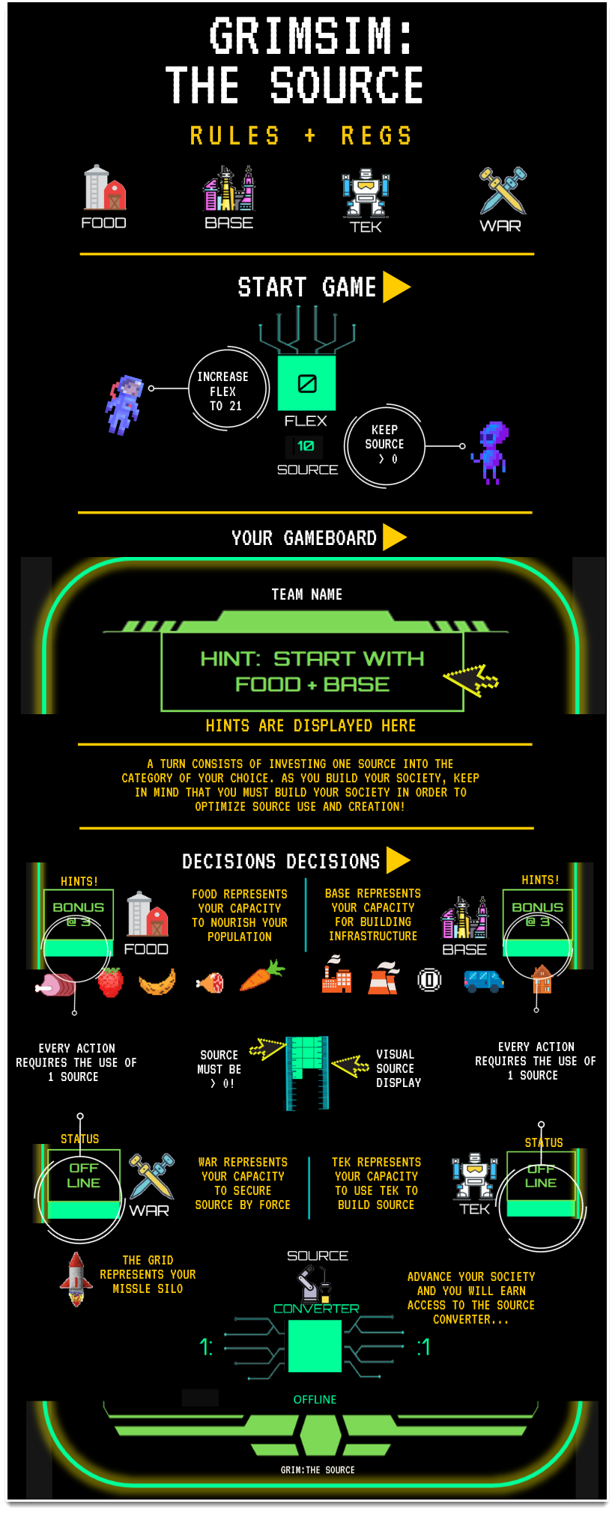
The Order

STOREx
