Stakeholder
STAKEHOLDER ANALYSIS

Stakeholder Analysis Chart
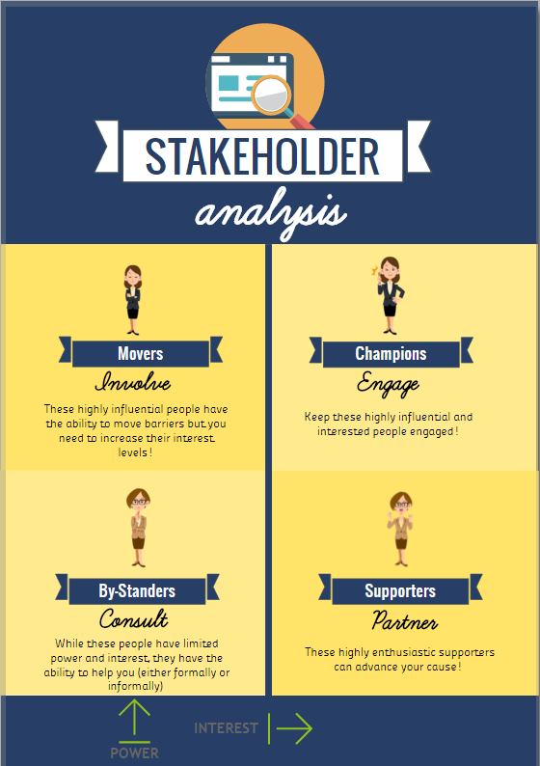
STAKEHOLDER NAME | POWER | INTEREST
Employee 1 | 10 | 10 | #REF!
Employee 2 | 9 | 7 | #REF!
Employee 3 | 7 | 6 | #REF!
Employee 4 | 9 | 1 | #REF!
Employee 5 | 1 | 1 | #REF!
Employee 6 | 2 | 3 | #REF!
Employee 7 | 8 | 3 | #REF!
Employee 8 | 1 | 7 | #REF!
Employee 9 | 3 | 4 | #REF!
Employee 10 | 2 | 9 | #REF!

